Wind Direction
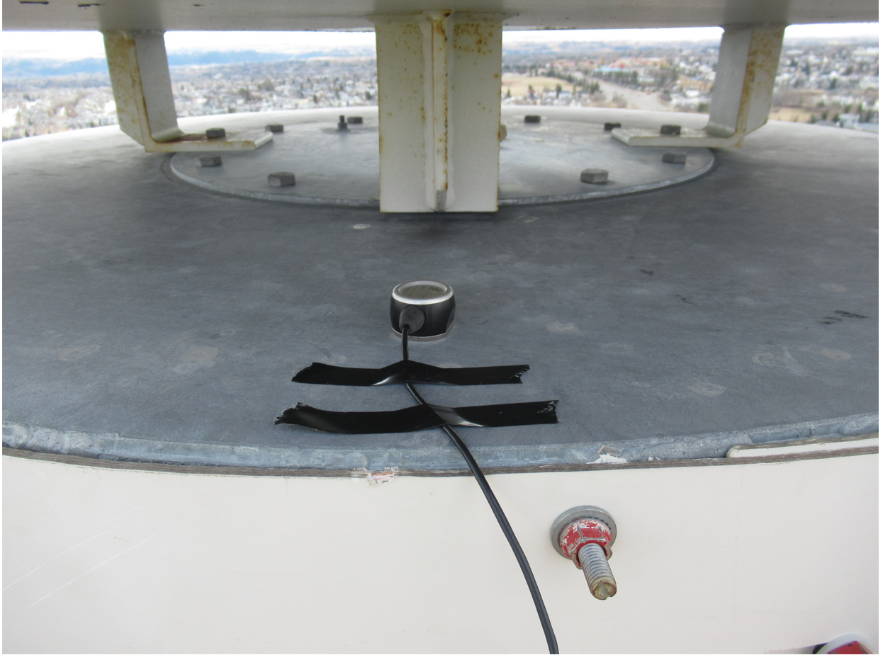
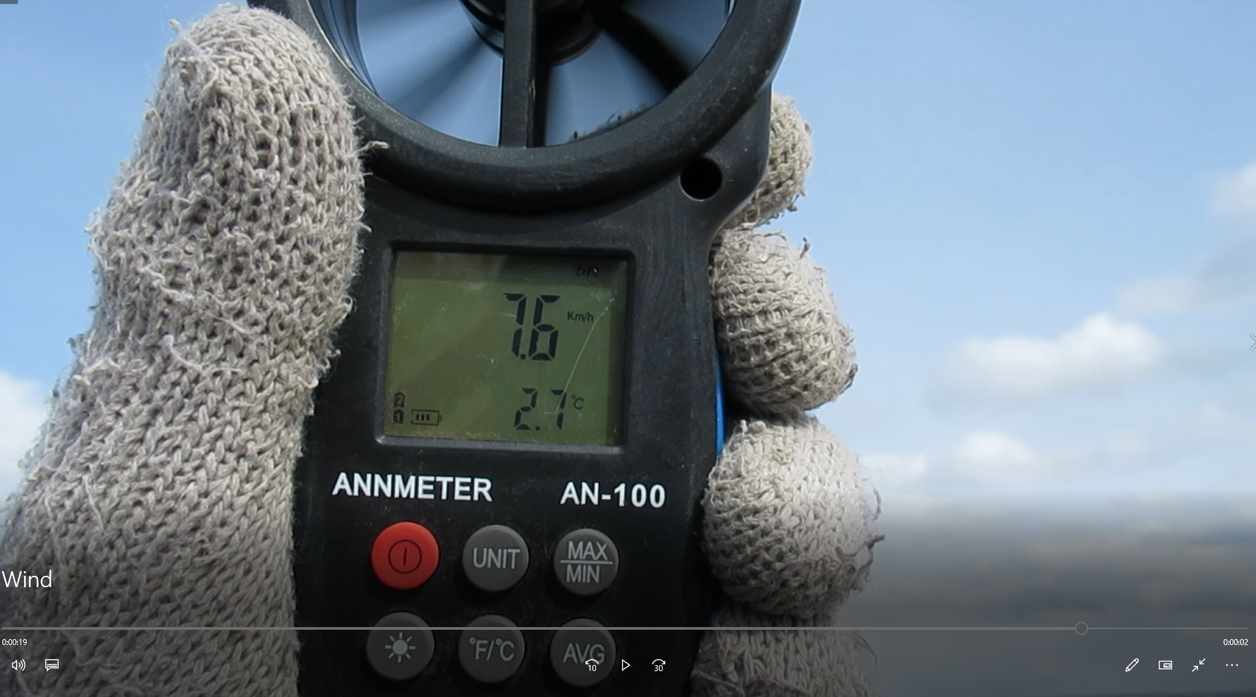
$$N$$
wind speed from fn: 17 km/hr SE

x$=0$

$$y=90$$

Temp
Direction: | Y

Raw Peaks |  | Peaks Selected for Reduction |  | Main direction peak time |  | selected freq
Time (s) | VS Acc. (m/s2) | Time (s) | VS Acc. (m/s2) | Time(s) | f (hz) | f(hz) | time | VS Acc. (m/s2) | instantaneous Damping | Frequency and Damping
 |  |  |  |  |  |  |  |  |  | Frequency (Hz) | #DIV/0!
 |  |  |  |  |  |  |  |  |  | Curve Fit Exponent | 0.026646
 |  |  |  |  |  |  |  |  |  | Damping Ratio (%) | #DIV/0!
acc amp-damp
 | 0
 | 0
 | 0
 | 0
 | 0
 | 0
 | 0
 | 0
 | 0
 | 0
 | 0
 | 0
 | 0
 | 0
 | 0
 | 0
 | 0
 | 0
 | 0
 | 0
 | 0
 | 0
 | 0
 | 0
 | 0
 | 0
 | 0
 | 0
 | 0
 | 0
 | 0
 | 0
 | 0
 | 0
 | 0
 | 0
 | 0
 | 0
 | 0
 | 0
 | 0
 | 0
 | 0
 | 0
 | 0
 | 0
 | 0
 | 0
 | 0
 | 0
...
Selected Peaks
 | Raw Peaks | Selected Peaks

time-damp
 | 0
 | 0
 | 0
 | 0
 | 0
 | 0
 | 0
 | 0
 | 0
 | 0
 | 0
 | 0
 | 0
 | 0
 | 0
 | 0
 | 0
 | 0
 | 0
 | 0
 | 0
 | 0
 | 0
 | 0
 | 0
 | 0
 | 0
 | 0
 | 0
 | 0
 | 0
 | 0
 | 0
 | 0
 | 0
 | 0
 | 0
 | 0
 | 0
 | 0
 | 0
 | 0
 | 0
 | 0
 | 0
 | 0
 | 0
 | 0
 | 0
 | 0
...
Damping Reduction

Frequency vs. Time

